EMI FILTER DESIGN CALCULATOR
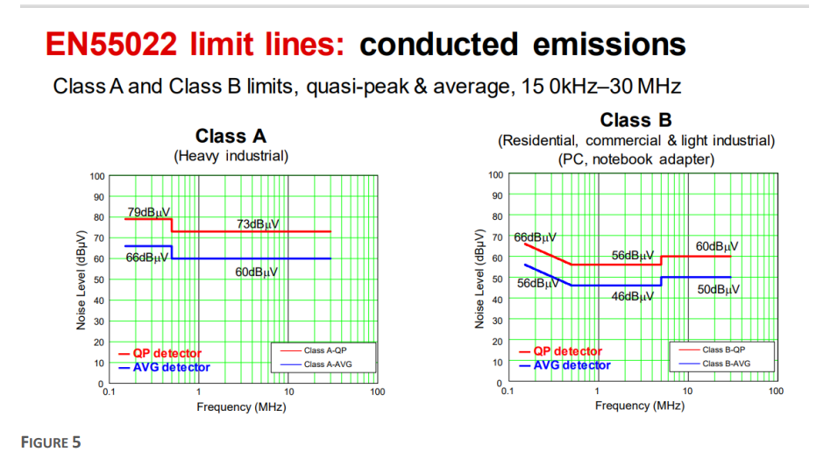
EMI FILTER DESIGN CALCULATOR

INPUT PARAMETERS | VALUE | UNIT | NOTES
AC Input Voltage (Vrms) | 220 | V | Input voltage
Bulk Cap Voltage (VP) | 311.12698372 | V | Bulk capacitor voltage
Switching Freq (F0) | 66000 | HZ | switching frequnecy of the power ic
Parasitic Cap (CP) | 200 | PF | a value of rule of thumb between 50 pf to 500 pf
Standard Limit | 46 | dBμV | Lowest db in the standard Curve Class B
Leakage indctance of the common mode choke | 14.6 | µH | Leakage indctance of the common mode choke that will be used to calaculate the X2 capacitor value (Need to be measured)

CALCULATED VALUES
Common Mode Noise | 410.69 | mV | Common mode noise voltage
Limit Voltage | 199.53 | μV | Maximum noise voltage before failing according to standard Curve Class B
Attenuation (dB) | 66.27 | dB | Required attenuation
Corner Freq (Fc) | 1454.75 | Hz | Corner frequncey of the filter
Choke Inductance | 7.73 | mH | the common choke coil value
Y Capacitance | 1.55 | nF | the Y capacitor value
X Capacitor | 819.81 | µF | the X2 capacitor value
I Leakage | 0.24 | mA | ✔ will pass Leakage test
Minimum R discharging | 874.66 | ohm
Minimum R discharging power disspation | 60.87 | W
FIXED COMPONENT SELECTION
Choose Component to Fix: | Choke |  | Type (Y Capacitor OR Choke)
Fixed Value | 33 | mH | ENTER THE VALUE OF Y CAPACITOR OR COMMON CHOKE COIL YOU WANT TO FIX
AUTO-CALCULATED COMPLEMENTARY VALUE |  |  |  | Y Capacitor
Required Y-Cap (Cy): | 362.70 | pF |  | Choke
Actual Corner Freq (Fc): | 1454.75 | Hz | ✔ Attenuation MATCHED
I Leakage | 0.03 | mA | ✔ will pass Leakage test

